TC
Project Name - | myBillBook
Created By - | Yuvraj L Dolas
Reviewed By -
Created On - | 2023-10-07
Reviewed On -
Version - | 1

Test Scenario Id | Test Scenario Description | Test Case Id | Test Case Description | Steps | Pre Condition | Test Data | Type Of Testing | Expected Result | Actual Result | Status
TS01 | Creating account for New User | TC01 | Setting account for the new user | 1) Download the app from google playstore 2) Launch the app 3) Choose the required language 4)Enter/select(verified by truecaller) mobile number 5)Enter the OTP 6) Select business type 7)Select Industry 8)Enter GST number 9)Fetch business details by entering GST number or enter manually in case no GST number 10) Enter business name | App & internet connectivity should be working | 1) 8796204585 2)442010 3)J Block MIDC, Bhosari 4)Maharastra 5)411014 6)Pune 7)Mobile Shoppe | Functional | User should be logged in & screen should be redirected to 'More' list | As per expected | Passed
TS02 | To verify the functionality of Login Module | TC02 | To verify the gesture for selected language | 1) Open the app 2) Choose the required language | 1)App & internet connectivity should be working |  | UI | 1)The selected language should be marked with filled circle 2) Highlighted box with border should be visible over selected language option | As per expected | Passed
 |  | TC03 | To verify OTP field count | 1) Open the app 2) Choose the required language 3)Chek the displayed OTP field count | 1)App & internet connectivity should be working |  | UI | The OTP field should be limited to 6 digit | As per expected | Passed
 |  | TC04 | To verify OPT place holder | 1) Open the app 2) Choose the required language 3)Enter mobile number 4)Enter OTP | 1)App & internet connectivity should be working | 1) 364316 | UI | As OTP gets enter into the field, it should get highlighted with indigo colour bottom line | As per expected | Passed
 |  | TC05 | To check functionality of login module by entering new number | 1) Open the app 2) Choose the required language 3)Enter mobile number 4)Enter the OTP | 1)App & internet connectivity should be working 2)OTP should matched | 1) 9922068161 2)423810 | Functional | Dashboard screen should get displayed after login | As per expected | Passed
 |  | TC06 | To check functionality of login module for verified mobile number by truecaller | 1) Open the app 2) Choose the required language 3)Select(verified by truecaller) mobile number | 1)App & internet connectivity should be working 2)OTP should matched | 1) 8796204585 2)442010 | Functional | Dashboard screen should get displayed after login | As per expected | Passed
TS03 | To verify the functionality of Items screen | TC07 | To verify presence of different logo for available modules on bottom sheet | 1) Open the app | 1)App & internet connectivity should be working 2)User should logged in |  | UI | Different logos should be present as per individual module on the bottom sheet | As per expected | Passed
 |  | TC08 | To verify place holder for selected module under bottom sheet | 1) Open the app 2)Navigate to Items screen | 1)App & internet connectivity should be working 2)User should logged in |  | UI | The logo should get filled with indigo colour | As per expected | Passed
 |  | TC09 | To add new item by clicking on 'Create New Item' | 1) Open the app 2) Click on Items 3)Click on 'Create New Item' 4)Enter the item name 5)Click on save | 1)App & internet connectivity should be working 2)User should logged in 3)Items module should be working | Phone Cover | Functional | Created item should get diplayed with its name under list screen | As per expected | Passed
 |  | TC10 | To upload items in bulk by clicking on 'upward arrow with folder icon'(Case 1) | 1) Open the app 2) Click on Items 3)Click on 'upward arrow with folder icon' 4)Click on 'Ecel(.xlsx) file' 5)Click on upload file 6)Go to file location 7)Click on 'Use This Folder '8)Grant permission to 'Allow' 9)Select required xlsx file | 1)App & internet connectivity should be working 2)User should logged in 3)Items module should be working 4)xlsx file should be created with columns containing items name, sales price, purchase price, tax rate, hsn & other details | items list.xlsx | Functional | Uploaded list of items should get diplayed under list screen | As per expected | Passed
 |  | TC11 | To upload items in bulk by clicking on 'upward arrow with folder icon'(Case 2) | 1) Open the app 2) Click on Items 3)Click on 'upward arrow with folder icon' 4)Click on 'Photo/PDF of purchase bill' 5)Click on upload file 6)Click on 'image' 7)Click on 'Gallary ' 8)Select image | 1)App & internet connectivity should be working 2)User should logged in 3)Items module should be working 4)Image should contained columns with items name, sales price, purchase price, tax rate, hsn & other details |  Item list.JPEG | Functional | Uploaded list of items should get diplayed under list screen | As per expected | Passed
 |  | TC12 | To upload items in bulk by clicking on 'upward arrow with folder icon'(Case 3) | 1) Open the app 2) Click on Items 3)Click on 'upward arrow with folder icon' 4)Click on 'Photo/PDF of purchase bill' 5)Click on upload file 6)Go to file location 7)Select file | 1)App & internet connectivity should be working 2)User should logged in 3)Items module should be working 4)PDF file should contained columns with items name, sales price, purchase price, tax rate, hsn & other details | Item list 2.pdf | Functional | Uploaded list of items should get diplayed under list screen | As per expected | Passed
 |  | TC13 | To upload items in bulk by clicking on 'upward arrow with folder icon'(Case 4) | 1) Open the app 2) Click on Items 3)Click on 'upward arrow with folder icon' 4)Click on 'Items Library' 5)Click on 'Mobile phones' 6)Select desired models 7)Click on 'Add selected items' 8) Click on 'Confirm' | 1)App & internet connectivity should be working 2)User should logged in 3)Items module should be working 4)Industry type should be selected |  | Functional | Selected list of items should get diplayed under list screen | As per expected | Passed
 |  | TC14 | To check created item | 1) Open the app 2) Click on Items 3)Click on 'Create New Item' 4)Enter the item name 5)Click on save 6)Look for item name under list screen | 1)App & internet connectivity should be working 2)User should logged in 3)Items module should be working | Notebook | Functional | 1)After creating item, the screen should navigate to 'Item Detail Screen' 2)Created item should get diplayed with its name under list screen | As per expected | Passed
 |  | TC15 | To check notification for uploaded bulk items | 1) Open the app 2) Click on Items 3)Click on 'upward arrow with folder icon' 4)Click on 'Photo/PDF of purchase bill' 5)Click on upload file 6)Go to file location 7)Select file 8)Check for notification | 1)App & internet connectivity should be working 2)User should logged in 3)Items module should be working 4)Image should contained columns with items name, sales price, purchase price, tax rate, hsn & other details | 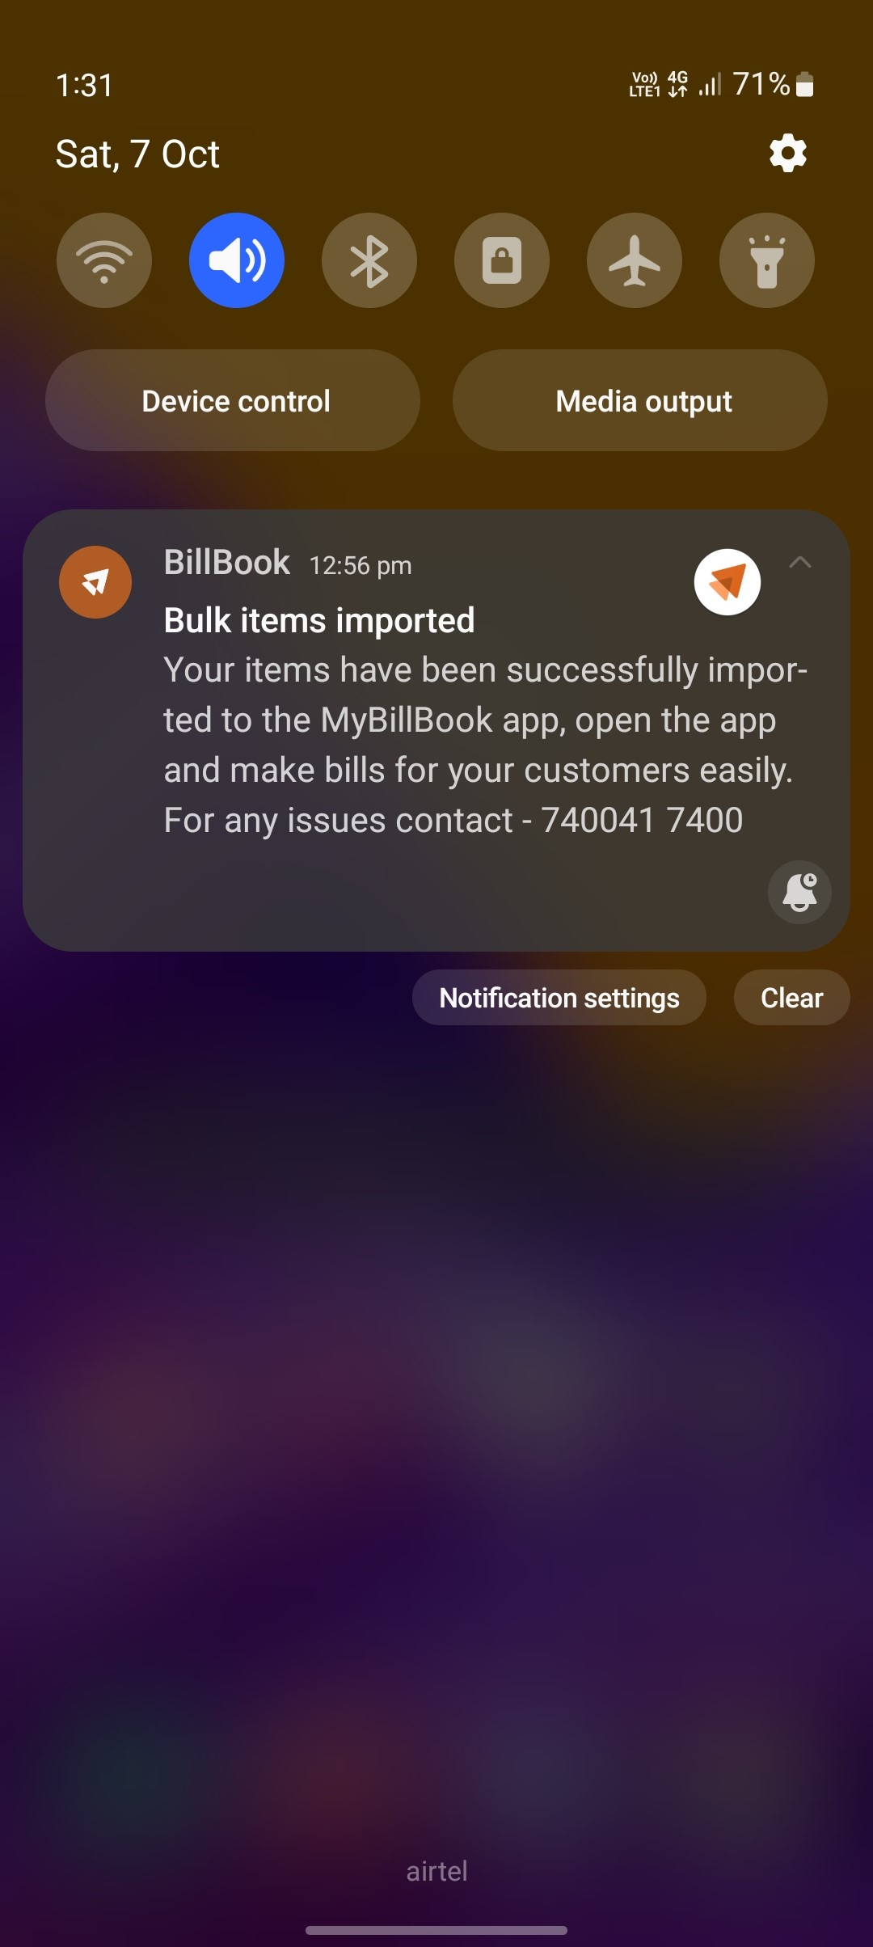 Items list.JPEG | Functional | The notification for the uploaded file should get displayed | As per expected | Passed
 |  | TC16 | To check alignment for item name | 1) Open the app 2) Click on Items 3)Click on 'Create New Item' 4)Enter the item name 5)Click on save | 1)App & internet connectivity should be working 2)User should logged in 3)Items module should be working | 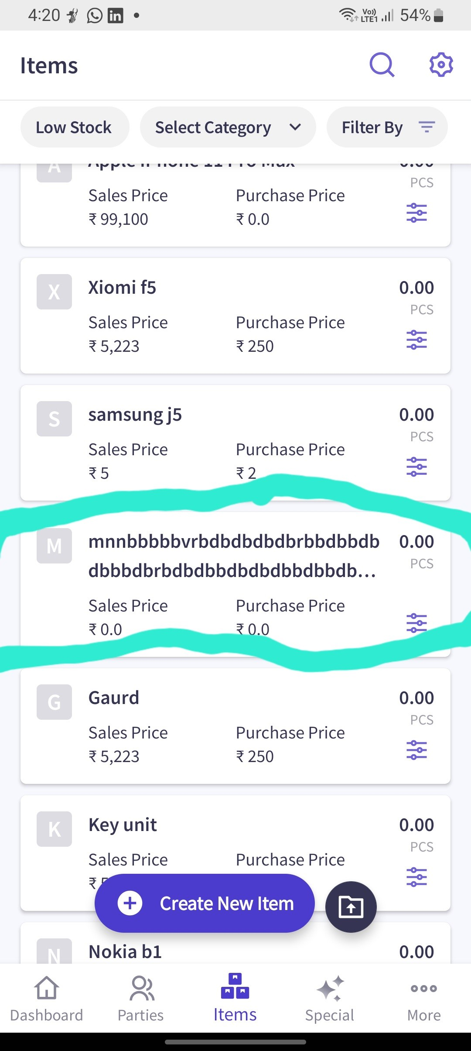 | UI | The Item Name should not overlap with other field | As per expected | Passed
 |  | TC17 | To update existing Item | 1)Click on 'Items' 2) Click on created item 3) Click on edit icon 4)Select item Type 5)Select unit 6)Enter Sales, Purchase price & HSN number 7) Select GST type from dropdown menu 8)Click on 'Save' | 1)App & internet connectivity should be working 2)App should be launched 3)User should logged in 4)Items module should be working 5)Item should be created | 1)150 2)70 3)6540 | Functional | Item should be updated with Sales price, purchase price, HSN number & selected GST type. | As per expected | Passed
 |  | TC18 | To update opening stock for the Item | 1)Click on 'Items' 2) Click on created item 3) Click on edit icon 4) Click on 'Stock' 5)Enter opening stock quantity 6)Select date 7)Click on'Save' | 1)App & internet connectivity should be working 2)App should be launched 3)User should logged in 4)Items module should be working 5)Item should be created | 1) 50 | Functional | Item should be updated with given stock quantity & date | As per expected | Passed
 |  | TC19 | To add additional stock for the Item | 1)Click on bottom most right corner icon in item box 2)Click on Add Stock 3)Enter quantity 4)Click on 'Save' | 1)App & internet connectivity should be working 2)App should be launched 3)User should logged in 4)Items module should be working 5)Item should be created | 1)20 | Functional | Item should be updated with additional stock quantity | As per expected | Passed
 |  | TC20 | To reduce existing stock for the Item | 1)Click on bottom most right corner icon in item box 2)Click on Reduce Stock 3)Enter quantity 4)Click on 'Save' | 1)App & internet connectivity should be working 2)App should be launched 3)User should logged in 4)Items module should be working 5)Item should be created | 1)10 | Functional | Item should be updated with reduced stock quantity | As per expected | Passed
 |  | TC21 | To select Item Category for created Item | 1)Click on 'Items' 2) Click on created item 3) Click on edit icon 4)Click on 'Other' 5)Select 'Item Category' 6)Click on accessories 7)Click on 'Save' | 1)App & internet connectivity should be working 2)App should be launched 3)User should logged in 4)Items module should be working 5)Item should be created |  | Functional | Item should be updated with selected 'item Category' | As per expected | Passed
 |  | TC22 | To create custom Category for created Item. | 1)Click on 'Items' 2) Click on created item 3) Click on edit icon 4)Click on 'Other' 5)Select 'Item Category' 6)Click on 'Add Category' 7)Enter 'Catogory name' 8)Click on 'Save' | 1)App & internet connectivity should be working 2)App should be launched 3)User should logged in 4)Items module should be working 5)Item should be created |  | Functional | Item should be updated with created custom 'item Category' | As per expected | Passed
 |  | TC23 | To add 'Custom Fields' | 1)Click on 'Items' 2) Click on created item 3) Click on edit icon 4)Click on 'Other' 5)Click on 'Add Fields to Item' 6)Click on 'Add Custom Column' 7)Enter Name 9)Click on 'ADD' | 1)App & internet connectivity should be working 2)App should be launched 3)User should logged in 4)Items module should be working 5)Item should be created | Ref | Functional | Item should be updated with custom field column name as 'Ref' | As per expected | Passed
 |  | TC24 | To enter data in 'Custom Fields' | 1)Click on 'Items' 2) Click on created item 3) Click on edit icon 4)Click on 'Other' 5)Enter name under 'Ref' field 6)Click on 'Save' | 1)App & internet connectivity should be working 2)App should be launched 3)User should logged in 4)Items module should be working 5)Item should be created 6)Custom Field should be created | Raj | Functional | Item should be updated with custom field I/P data as 'Raj' | As per expected | Passed
 |  | TC25 | To delete created 'Custom Fields' | 1)Click on 'Items' 2) Click on created item 3) Click on edit icon 4)Click on 'Other' 5)Click on 'Setting icon' 6)Click on 'Add/Remove Columns' 7)Click on recycle bin icon 8)Click on 'Yes, Delete' | 1)App & internet connectivity should be working 2)App should be launched 3)User should logged in 4)Items module should be working 5)Item should be created 6)Custom Field should be created |  | Functional | Item should be updated with deleted custom field | As per expected | Passed
 |  | TC26 | To verify button for 'Custom Columns' | 1)Click on 'Items' 2) Click on created item 3) Click on edit icon 4)Click on 'Setting icon' 5) Click on 'Add/Remove Columns' 6)Check for the turn off/on button | 1)App & internet connectivity should be working 2)App should be launched 3)User should logged in 4)Items module should be working 5)Item should be created 6)Custom Field should be created |  | UI | Custom columns should be available with on/off button | As per expected | Passed
 |  | TC27 | To add 'Image of Item' | 1)Click on 'Items' 2) Click on created item 3) Click on edit icon 4)Click on 'Other' 5)Click on 'Add Image' 6)Select 'Gallary' option 7)Click on image 8)Click on correct icon 9)Click on 'Save' | 1)App & internet connectivity should be working 2)App should be launched 3)User should logged in 4)Items module should be working 5)Item should be created |  | Functional | Item should be updated with selected 'Image' | As per expected | Passed
 |  | TC28 | To add 'Item Description' | 1)Click on 'Items' 2) Click on created item 3) Click on edit icon 4)Click on 'Other' 5)Enter 'Item Description' 6)Click on 'Save' | 1)App & internet connectivity should be working 2)App should be launched 3)User should logged in 4)Items module should be working 5)Item should be created | 1)Needed for mobile protection | Functional | Item should be updated with given Description | As per expected | Passed
 |  | TC29 | To delete existing coulum field | 1)Click on 'Items' 2) Click on created item 3) Click on edit icon 4)Click on 'Setting icon' 5) Click on 'Add/Remove Columns' 6)Click on unwanted column field 7)Click on 'Save' | 1)App & internet connectivity should be working 2)App should be launched 3)User should logged in 4)Items module should be working 5)Item should be created |  | Functional | Item should be updated with deleted Column Field | As per expected | Passed
 |  | TC30 | To change 'Item Type' | 1)Click on 'Items' 2) Click on created item 3) Click on edit icon 4)Select 'Item Type' 5) Click on 'Save' | 1)App & internet connectivity should be working 2)App should be launched 3)User should logged in 4)Items module should be working 5)Item should be created |  | Functional | Item should be updated with selected 'Item type' | As per expected | Passed
 |  | TC31 | To add 'Service Item' | 1) Open the app 2) Click on Items 3)Click on 'Create New Item' 4)Enter the item name 5)Select item Type 6)Enter 'Sales Price' ,SAC & select GST 7)Click on save | 1)App & internet connectivity should be working 2)App should be launched 3)User should logged in 4)Items module should be working | 1)Rail Ticket Booking 2)150 3)1530 | Functional | Item should be updated with 'Name',Item type' ,'Sales Price, 'SAC' & 'GST' | As per expected | Passed
 |  | TC32 | To add Description to Service type Item | 1)Click on 'Items' 2) Click on created item 3) Click on edit icon 4)Click on 'Other' 5)Enter 'Item Description' 6)Click on 'Save' | 1)App & internet connectivity should be working 2)App should be launched 3)User should logged in 4)Items module should be working 5)Item should be created | 1)Non product item | Functional | Item should be updated with given Description | As per expected | Passed
 |  | TC33 | To delete created Item | 1) Click on Items 2)Click on 'Delete Bin' icon 3)Click on Yes,Delete | 1)App & internet connectivity should be working 2)App should be launched 3)User should logged in 4)Items module should be working 5)Item should be created |  | Functional | Item should get deleted | As per expected | Passed
 |  | TC34 | To verify warning message option before deletion | 1) Click on Items 2)Click on 'Delete Bin' icon 3)Check for warning message | 1)App & internet connectivity should be working 2)App should be launched 3)User should logged in 4)Items module should be working 5)Item should be created |  | UI | Warning message should displayed with blanked filled(Yes,Delete) & indigo filled(No, Keep) options | As per expected | Passed
 |  | TC35 | To enable 'wholesale Price' | 1)Click on 'Items' 2) Click on created item 3) Click on edit icon 4)Click on 'Setting icon' 5)Enable 'Wholesale Price' | 1)App & internet connectivity should be working 2)App should be launched 3)User should logged in 4)Items module should be working 5)Item should be created |  | Functional | Item creation screen should be updated with 'Wholesale Price & Min wholesale Qty' | As per expected | Passed
 |  | TC36 | To enable 'Barcode Scanner' | 1)Click on 'Items' 2) Click on created item 3) Click on edit icon 4)Click on 'Setting icon' 5)Enable 'Barcode Scanner' | 1)App & internet connectivity should be working 2)App should be launched 3)User should logged in 4)Items module should be working 5)Item should be created |  | Functional | Barcode Scanner should get enabled | As per expected | Passed
 |  | TC37 | To enable 'Reminder for service' | 1)Click on 'Items' 2) Click on created item 3) Click on edit icon 4)Click on 'Setting icon' 6)Enable 'Reminder for service' | 1)App & internet connectivity should be working 2)App should be launched 3)User should logged in 4)Items module should be working 5)Item should be created 6)Paid plan should be active |  | Functional | Reminder for service should be enabled | The feature is availble for paid plan | Failed
 |  | TC38 | To enable 'Serial Number/IMEI' | 1)Click on 'Items' 2) Click on created item 3) Click on edit icon 4)Click on 'Setting icon' 5)Enable 'Barcode Scanner' | 1)App & internet connectivity should be working 2)App should be launched 3)User should logged in 4)Items module should be working 5)Item should be created |  | Functional | Serial Number/IMEI' should get enabled | As per expected | Passed
 |  | TC39 | To 'Rename Serial Number' | 1)Click on 'Items' 2) Click on created item 3) Click on edit icon 4)Click on 'Setting icon' 5)Click on 'Rename Serial Number As' 6) Enter serial Number 7)Click on 'Save' | 1)App & internet connectivity should be working 2)App should be launched 3)User should logged in 4)Items module should be working 5)Item should be created | IMEI Number | Functional | Serial Number Name should be updated as per given name | As per expected | Passed
 |  | TC40 | To enable 'Batching' | 1)Click on 'Items' 2) Click on created item 3) Click on edit icon 4)Click on 'Setting icon' 5)Enable 'Batching' | 1)App & internet connectivity should be working 2)App should be launched 3)User should logged in 4)Items module should be working 5)Item should be created |  | Functional | Batching should be enabled | As per expected | Passed
 |  | TC41 | To set 'Alerts on Expiry' | 1)Click on 'Items' 2) Click on created item 3) Click on edit icon 4)Click on 'Setting icon' 5)Click on 'Alerts on Expiry' 6)Select Alerts type | 1)App & internet connectivity should be working 2)App should be launched 3)User should logged in 4)Items module should be working 5)Item should be created |  | Functional | Customized alerts should get applied | As per expected | Passed
 |  | TC42 | To set 'Goddown/Warehouse' | 1)Click on 'Items' 2) Click on created item 3) Click on edit icon 4)Click on 'Setting icon' 5)Click on Goddown/Warehouse' 6)Click on 'Add Godown' 7)Select default godown | 1)App & internet connectivity should be working 2)App should be launched 3)User should logged in 4)Items module should be working 5)Item should be created |  | Functional | Defualt godown should get applied as per its location | As per expected | Passed
 |  | TC43 | To change 'Stock value calculation' | 1)Click on 'Items' 2) Click on created item 3) Click on edit icon 4)Click on 'Setting icon' 5)Select type for 'Stock value calculation using' | 1)App & internet connectivity should be working 2)App should be launched 3)User should logged in 4)Items module should be working 5)Item should be created |  | Functional | Stock value calculation should get updated as per selected type | As per expected | Passed
 |  | TC44 | To view 'Low Stock' items list | 1)Click on 'Items' 2) Click on 'Low Stock' tab 3) Check for low stock items | 1)App & internet connectivity should be working 2)App should be launched 3)User should logged in 4)Items module should be working 5)Item should be created 6)Item should enabled with low stock alert |  | Functional | Low stock items should get displayed | As per expected | Passed
 |  | TC45 | Sort items as per category | 1)Click on 'Items' 2) Click on 'Select Category' tab 3) Select required category | 1)App & internet connectivity should be working 2)App should be launched 3)User should logged in 4)Items module should be working 5)Item should be created 6)Item category should be entered |  | Functional | Items should get displayed as per its category | As per expected | Passed
 |  | TC46 | Filter items as per sort order | 1)Click on 'Items' 2) Click on 'Filter By' tab 3) Select required sorting option 4)Click on apply | 1)App & internet connectivity should be working 2)App should be launched 3)User should logged in 4)Items module should be working 5)Item should be created |  | Functional | Items should get displayed as per its sorting order | As per expected | Passed
TS04 | To verify the functionality of Parties | TC47 | To Create New Party' | 1)Click on 'Create Party' 2)Enter 'Party Name' & 'Contact Number' 3) Select 'Party Type' 4)Enter GST Number,PAN Number & Billing Address | 1)App & internet connectivity should be working 2)App should be launched 3)User should logged in 4)Parties module should be working | 1)Sandvik Asia 2)9875414585 3)24AAAVV12602ADM 4)FCOLM1415B 5)Dapodi,MH, 411012,Pune | Functional | Party should be created with all required details | As per expected | Passed
 |  | TC48 | Sort Parties as per category | 1)Click on 'Parties' 2) Select 'Category' 3)Enter Category Name | 1)App & internet connectivity should be working 2)App should be launched 3)User should logged in 4)Parties module should be working 5)Parties should be created |  | Functional | Parties' should get displayed as per its category | As per expected | Passed
TS05 | To check the functionality of Dashboard | TC49 | To create Invoice | 1)Click on 'Dashboard' 2)Click on '+Bill/Invoice' tab 3)select party 4)Click on Add Items 5)Select Items 6)Click on 'Save' 7)Click on 'Generate Bill' 8)Click on 'Done' | 1)App & internet connectivity should be working 2)App should be launched 3)User should logged in 4)Dashboard module should be working 5)Parties should be created 6)Items should be created |  | Functional | Invoice should get generated for selected party & items | As per expected | Passed
 |  | TC50 | To create Invoice | 1)Click on 'Dashboard' 2)Click on '+Bill/Invoice' tab 3)select party 4)Click on Add Items 5)Select Items 6)Click on 'Save' 7)Click on 'Generate Bill' 8)Click on 'Done' | 1)App & internet connectivity should be working 2)App should be launched 3)User should logged in 4)Dashboard module should be working 5)Parties should be created 6)Items should be created |  | Functional | Invoice should get generated for selected party & items | As per expected | Passed
 |  | TC51 | To create 'Receive Payment Record' | 1)Click on 'Dashboard' 2)Click on 'Received Payement Record' 3)select party 4)Enter amount 5)Select Payement Mode 6)Click on 'Save' | 1)App & internet connectivity should be working 2)App should be launched 3)User should logged in 4)Dashboard module should be working 5)Parties should be created |  | Functional | Received payement record should get displayed for selected party | As per expected | Passed
 |  | TC52 | To view 'Reports' | 1)Click on 'Dashboard' 2)Click on 'Reports' 3)select 'Profit & Loss' | 1)App & internet connectivity should be working 2)App should be launched 3)User should logged in 4)Dashboard module should be working 5)Parties should be created |  | Functional | Selected report type should get displayed | As per expected | Passed
 |  | TC53 | To download 'Report' | 1)Click on 'Dashboard' 2)Click on 'Reports' 3)select 'Profit & Loss' 4)Click on required file options icon | 1)App & internet connectivity should be working 2)App should be launched 3)User should logged in 4)Dashboard module should be working 5)Parties should be created 6)Report should be present |  | Functional | Report should get saved as per selected file format | As per expected | Passed
 |  | TC54 | To share 'Report' on whatsapp | 1)Click on 'Dashboard' 2)Click on 'Reports' 3)select 'Profit & Loss' 4)Click on 'Whatsapp' icon | 1)App & internet connectivity should be working 2)App should be launched 3)User should logged in 4)Dashboard module should be working 5)Parties should be created 6)Report should be present |  | Functional | Report should get shared to selected contacts | As per expected | Passed

